Indices

 | Iraq Stock Exchange
 | Bulletin No (190)

 | ISX Trading Indices of Thursday 23/10/2025

 | Traded Volume and OTC |  | 402,901,147 |  | Traded Value and OTC |  | 649,722,919 |  | Traders | 518

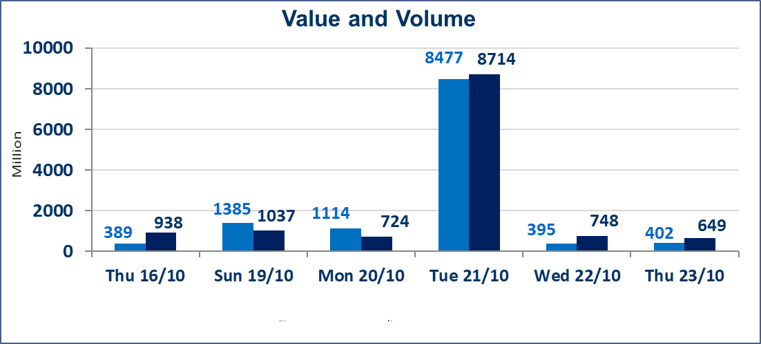
 | ISX Index 60 |  |  | 917.31 | ISX Index 15 |  |  | 1111.02
 | Previous ISX Index60 |  |  | 916.10 | Previous ISX Index15 |  |  | 1111.21
 | Change % |  |  | 0.13 | Change % |  |  | -0.02
 | Change |  |  | 1.21 | Change |  |  | -0.19

 | Listed Companies | 104 | OTC | 11 | Non Traded listed | 49 | OTC | 9
 | Traded Listed Companies | 40 | OTC | 1 | Higher Companies |  |  | 11
 | GAM Companies |  |  | 5 | Lower Companies |  |  | 11
 | Suspended Companies |  |  | 10
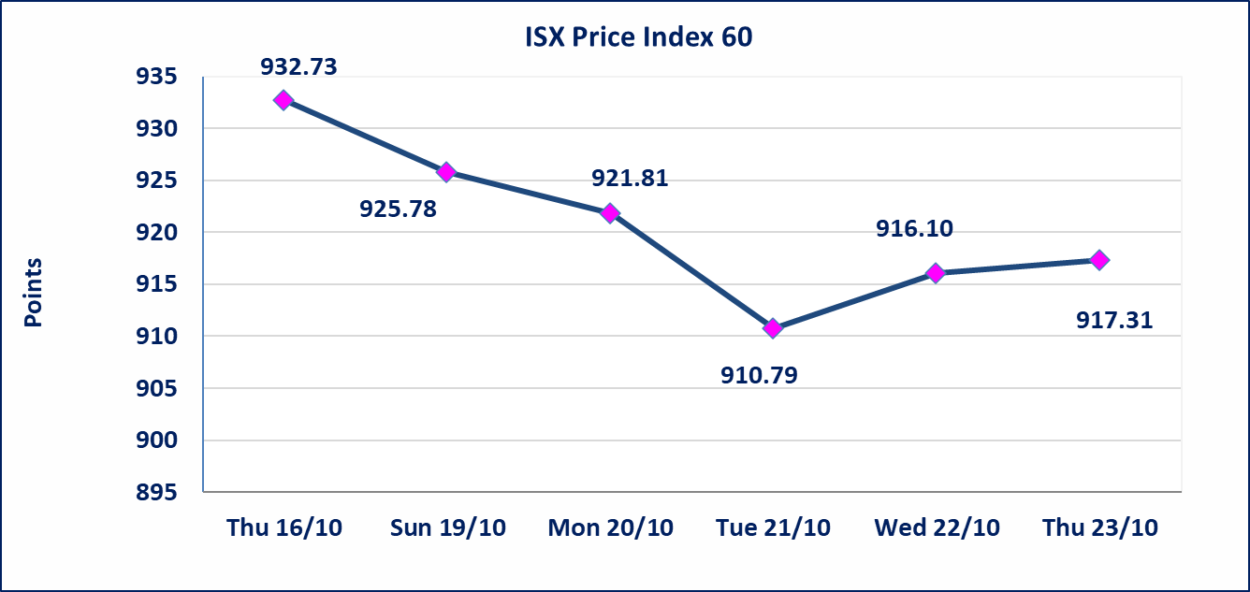
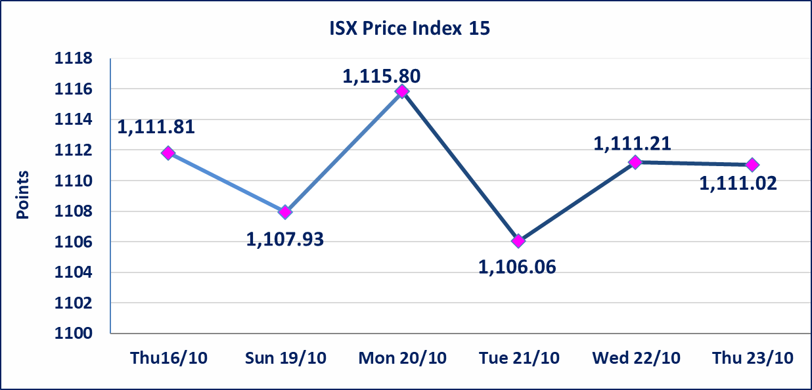

Al-Alwiya P.O . 3607 Mobile: 07711211522 - 07270094594 - 07834000034 E-mail: info-isx@isx-iq.net Web site:www.isx-iq.net

Top 5
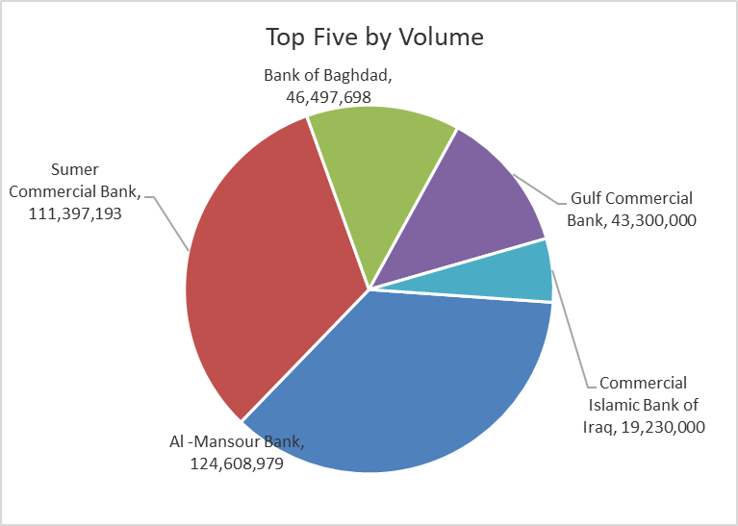
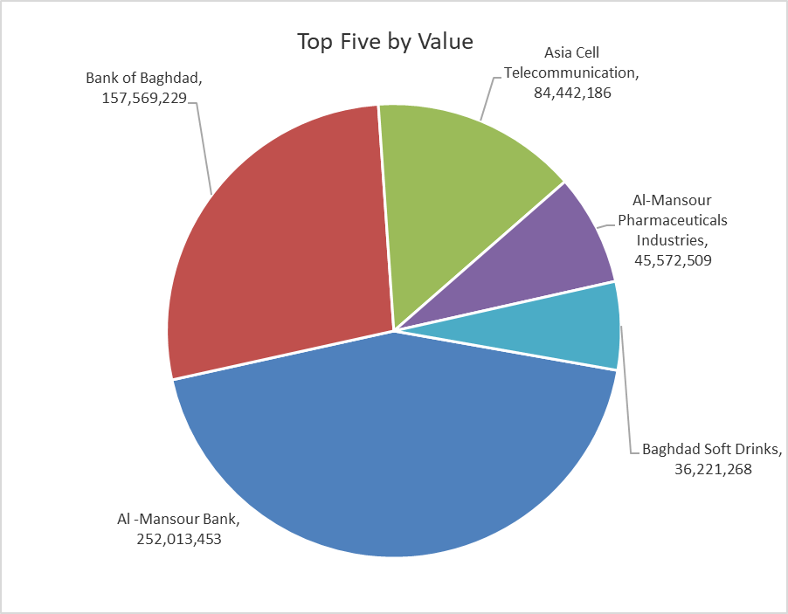
ISX top ganing and losing companies
Thursday 23/10/2025
Gainers |  |  |  | Losers
Company Name | Closing Price | Change (%) | Traded Volume | Company Name | Closing Price | Change (%) | Traded Volume
General Transportation | 1.680 | 5.00 | 1,714,186 | Babil Animal & Vegetable Production | 6.630 | -15.00 | 25,000
Al-Ameen for Insurance | 0.890 | 4.71 | 55,209 | International Islamic Bank | 0.220 | -8.33 | 82,836
Electronic Industry | 1.340 | 4.69 | 2,693,920 | Metallic Industries and Bicycles | 2.000 | -4.76 | 400,000
Palestine Hotel | 29.000 | 3.57 | 110,500 | Ashour Hotel | 29.000 | -3.33 | 3,000
Modern Construction Materials | 0.600 | 3.45 | 100,000 | Al-Sadeer Hotel | 23.000 | -2.13 | 17,100

The most active companies in term of traded volume and value

Traded Volume |  |  |  | Traded Value
Company Name | Closing Price | Change (%) | Traded Volume | Company Name | Closing Price | Change (%) | Traded Value
Al -Mansour Bank | 2.020 | -0.49 | 124,608,979 | Al -Mansour Bank | 2.020 | -0.49 | 252,013,453
Sumer Commercial Bank | 0.090 | 0.00 | 111,397,193 | Bank of Baghdad | 3.400 | 0.00 | 157,569,229
Bank of Baghdad | 3.400 | 0.00 | 46,497,698 | Asia Cell Telecommunication | 11.850 | -0.42 | 84,442,186
Gulf Commercial Bank | 0.280 | 0.00 | 43,300,000 | Al-Mansour Pharmaceuticals Industries | 2.440 | 0.00 | 45,572,509
Commercial Islamic Bank of Iraq | 0.690 | 0.00 | 19,230,000 | Baghdad Soft Drinks | 4.500 | 1.12 | 36,221,268

Non Iraqis

Iraq Stock Exchange
Non Iraqis' Bulletin Thursday Oct 23 2025
Regular Market

Non Iraqi Trading of Regular Market (Buy)
Company Names | Code | No.of trades | Traded Shares | Trading Volume
Banks Sector
Al-Mansour Bank | BMNS | 12 | 75,000,000 | 151,750,000
Total Bank sector |  | 12 | 75,000,000 | 151,750,000
Grand Total |  | 12 | 75000000 | 151750000

Non Iraqi Trading of Regular Market (Sell)
Company Names | Code | No.of trades | Traded Shares | Trading Volume
Banks Sector
Commercial Bank of Iraq | BCOI | 10 | 14,500,000 | 9,860,000
Al-Mansour Bank | BMNS | 9 | 7,000,000 | 14,177,774
Total Bank sector |  | 19 | 21,500,000 | 24,037,774
Grand Total |  | 19 | 21500000 | 24037774

